Area of expenditure
Technical specifications - Health Expenditure Australia 2024–25 - Data cube

Area of expenditure

 | Sector | Area of expenditure
Recurrent expenditure | Hospital services | Public hospital services
 |  | Private hospitals
 | Primary health care | Public health
 |  | Community health services
 |  | Other health practitioner services
 |  | Dental services
 |  | Unreferred medical services
 |  | Benefit-paid pharmaceuticals
 |  | All other medications
 | Referred medical services | Referred medical services
 | Other services | Patient transport services
 |  | Administration
 |  | Aids and appliances
 | Research | Research
Capital expenditure | Capital expenditure | Capital expenditure
Medical expenses tax rebate | Medical expenses tax rebate | Medical expenses tax rebate
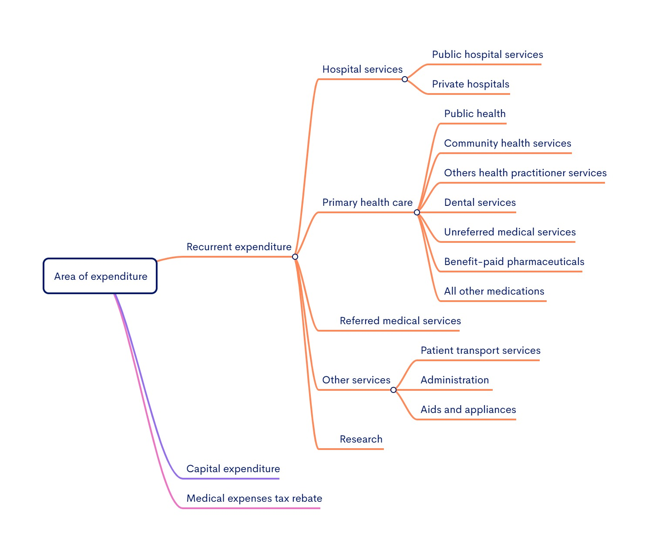

Note: For more information about concepts, definitions and data sources, see Overview of data sources and methodology in the Health Expenditure Australia 2024–25 report.

Source of funds
Technical specifications - Health Expenditure Australia 2024–25 - Data cube

Source of funds

Source of funds | Government/Non-government source | Broad source of funds | Source of funds
 | Government | Australian Government | Department of Veterans' Affairs
 |  |  | DHDA(a) and other (b)
 |  |  | Premium rebates (c)
 |  | State and local government
 | Non-government | Non-government | Individuals
 |  |  | Private insurance funds (d)
 |  |  | Other non-government (e)
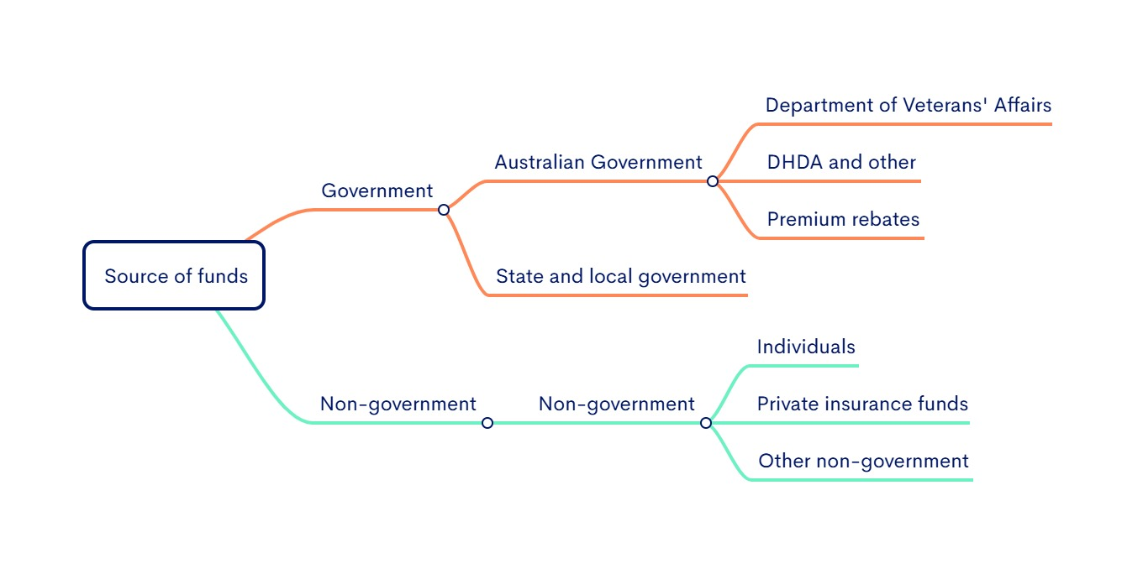

(a) DHDA- Australian Government Department of Health, Disability and Ageing (formerly called DoH -Australian Government Department of Health).
(b) ‘Health and other’ comprise the Australian Government Department of Health, Disability and Ageing’s own spending programs and Australian Government funding to states and territories. This includes funding for the National Health Reform Agreement, the National Partnership on COVID-19 Response, Pharmaceutical Benefits Scheme section 100 programs in public hospitals, and other schedules to the Federation Funding Agreement – Health. The figures also include funding by other Australian Government agencies (including the Department of Defence, capital consumption and other expenditure).
(c) 'Premium rebates' comprise health insurance rebates claimed through the taxation system, as well as rebates paid directly to health insurance funds by the Australian Government that enable them to reduce premiums
(d) 'Private insurance funds’ figures include health spending by Health insurance providers but the Australian Government private health insurance rebate.
(e) 'Other non-government' sources include injury compensation insurers and other sources of private income.

Note: For more information about concepts, definitions and data sources, see Overview of data sources and methodology in the Health Expenditure Australia 2024–25 report.

